Additional Info
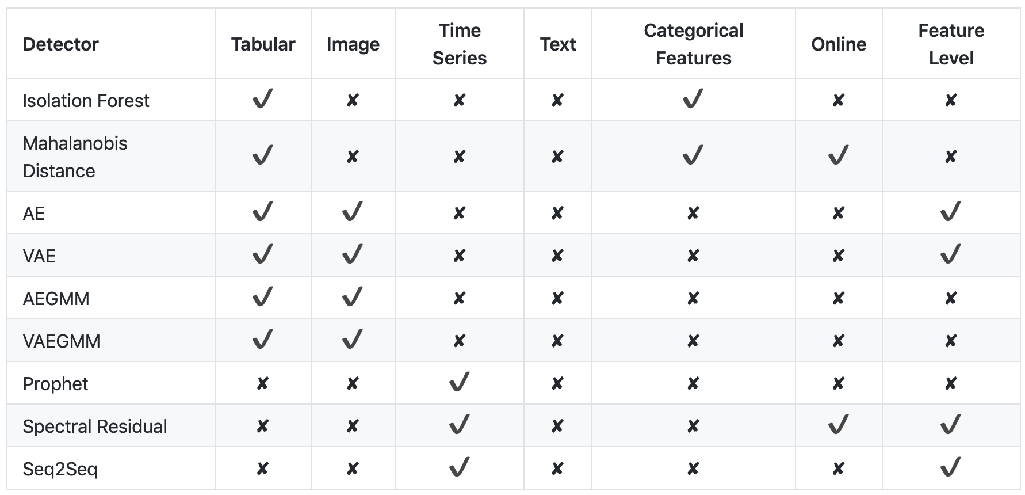
Alibi Detect outlier detectors

